Data
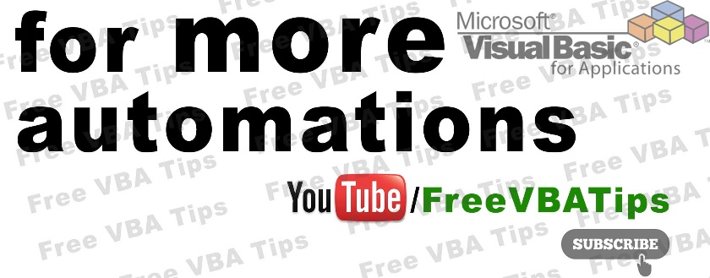

Fill Details
Fill Details
Fill Details
Click to Send Email
Send from Email | YourSendFromMail@YourMail.com
Carbon copy to | CarBonCopyTo@YourMail.com

Emp ID | Name | Process Name | Date of Birth | Date Of Joining | Email
5 | Deepak singh | CC Dept | 13-Apr-20 | 17-May-18 | deepak9delhi@gmail.com
3 | peelu | CC Dept | 9-Jan-08 | 18-May-18 | deepak9delhi@gmail.com | for BUSINESS queries email deepak9delhi@gmail.com
7 | meeru | CC Dept | 28-Oct-19 | 28-Oct-18 | deepak9delhi@gmail.com
4 | aman verma | CC Dept | 18-May-80 | 13-Apr-19 | deepak9delhi@gmail.com
6 | neelu | CC Dept | 18-May-80 | 13-Apr-19 | deepak9delhi@gmail.com
8 | karan tyagi | CC Dept | 9-Jan-08 | 13-Apr-20 | deepak9delhi@gmail.com
2 | rahul singh | cc ept | 9-Jan-08 | 17-May-18 | deepak9delhi@gmail.com
1 | deepak lohia | yy ept | 9-Jan-08 | 16-May-17 | deepak9delhi@gmail.com

